churn
Chrun Distribution
Row Labels | Sum of count
0 | 5163
1 | 1869
Grand Total | 7032

contract
 | 0 | 1 | (blank)
0 | 2220 | 1655
1 | 1306 | 166
2 | 1637 | 48
(blank)
Sum of count | Column Labels
Row Labels | 0 | 1 | (blank) | Grand Total
0 | 2220 | 1655 |  | 3875
1 | 1306 | 166 |  | 1472
2 | 1637 | 48 |  | 1685
(blank)
Grand Total | 5163 | 1869 |  | 7032

tenure
 | 0 | 1 | (blank)
1 | 233 | 380
2 | 115 | 123
3 | 106 | 94
4 | 93 | 83
5 | 69 | 64
6 | 70 | 40
7 | 80 | 51
8 | 81 | 42
9 | 73 | 46
10 | 71 | 45
11 | 68 | 31
12 | 79 | 38
13 | 71 | 38
14 | 52 | 24
15 | 62 | 37
16 | 52 | 28
17 | 61 | 26
18 | 73 | 24
19 | 54 | 19
20 | 53 | 18
21 | 46 | 17
22 | 63 | 27
23 | 72 | 13
24 | 71 | 23
25 | 56 | 23
26 | 64 | 15
27 | 59 | 13
28 | 45 | 12
29 | 57 | 15
30 | 56 | 16
31 | 49 | 16
32 | 50 | 19
33 | 50 | 14
34 | 53 | 12
35 | 73 | 15
36 | 40 | 10
37 | 50 | 15
38 | 46 | 13
39 | 42 | 14
40 | 51 | 13
41 | 56 | 14
42 | 51 | 14
43 | 50 | 15
44 | 45 | 6
45 | 55 | 6
46 | 62 | 12
47 | 54 | 14
48 | 55 | 9
49 | 51 | 15
50 | 58 | 10
...
Sum of count | Column Labels
Row Labels | 0 | 1 | (blank) | Grand Total
1 | 233 | 380 |  | 613
2 | 115 | 123 |  | 238
3 | 106 | 94 |  | 200
4 | 93 | 83 |  | 176
5 | 69 | 64 |  | 133
6 | 70 | 40 |  | 110
7 | 80 | 51 |  | 131
8 | 81 | 42 |  | 123
9 | 73 | 46 |  | 119
10 | 71 | 45 |  | 116
11 | 68 | 31 |  | 99
12 | 79 | 38 |  | 117
13 | 71 | 38 |  | 109
14 | 52 | 24 |  | 76
15 | 62 | 37 |  | 99
16 | 52 | 28 |  | 80
17 | 61 | 26 |  | 87
18 | 73 | 24 |  | 97
19 | 54 | 19 |  | 73
20 | 53 | 18 |  | 71
21 | 46 | 17 |  | 63
22 | 63 | 27 |  | 90
23 | 72 | 13 |  | 85
24 | 71 | 23 |  | 94
25 | 56 | 23 |  | 79
26 | 64 | 15 |  | 79
27 | 59 | 13 |  | 72
28 | 45 | 12 |  | 57
29 | 57 | 15 |  | 72
30 | 56 | 16 |  | 72
31 | 49 | 16 |  | 65
32 | 50 | 19 |  | 69
33 | 50 | 14 |  | 64
34 | 53 | 12 |  | 65
35 | 73 | 15 |  | 88
36 | 40 | 10 |  | 50
37 | 50 | 15 |  | 65
38 | 46 | 13 |  | 59
39 | 42 | 14 |  | 56
40 | 51 | 13 |  | 64
41 | 56 | 14 |  | 70
42 | 51 | 14 |  | 65
43 | 50 | 15 |  | 65
44 | 45 | 6 |  | 51
45 | 55 | 6 |  | 61
46 | 62 | 12 |  | 74
47 | 54 | 14 |  | 68
48 | 55 | 9 |  | 64
49 | 51 | 15 |  | 66
50 | 58 | 10 |  | 68
51 | 60 | 8 |  | 68
52 | 72 | 8 |  | 80
53 | 56 | 14 |  | 70
54 | 55 | 13 |  | 68
55 | 55 | 9 |  | 64
56 | 70 | 10 |  | 80
57 | 57 | 8 |  | 65
58 | 56 | 11 |  | 67
59 | 52 | 8 |  | 60
60 | 70 | 6 |  | 76
61 | 68 | 8 |  | 76
62 | 65 | 5 |  | 70
63 | 68 | 4 |  | 72
64 | 76 | 4 |  | 80
65 | 67 | 9 |  | 76
66 | 76 | 13 |  | 89
67 | 88 | 10 |  | 98
68 | 91 | 9 |  | 100
69 | 87 | 8 |  | 95
70 | 108 | 11 |  | 119
71 | 164 | 6 |  | 170
72 | 356 | 6 |  | 362
(blank)
Grand Total | 5163 | 1869 |  | 7032

charges
Sum of count | Column Labels
Row Labels | 0 | 1 | Grand Total
18.25-38.25 | 1585 | 205 | 1790
38.25-58.25 | 724 | 271 | 995
58.25-78.25 | 957 | 394 | 1351
78.25-98.25 | 1153 | 668 | 1821
98.25-118.25 | 740 | 330 | 1070
118.25-138.25 | 4 | 1 | 5
Grand Total | 5163 | 1869 | 7032

Dashboard
 | Total
0 | 5163
1 | 1869
Customer Chrun Dashboard
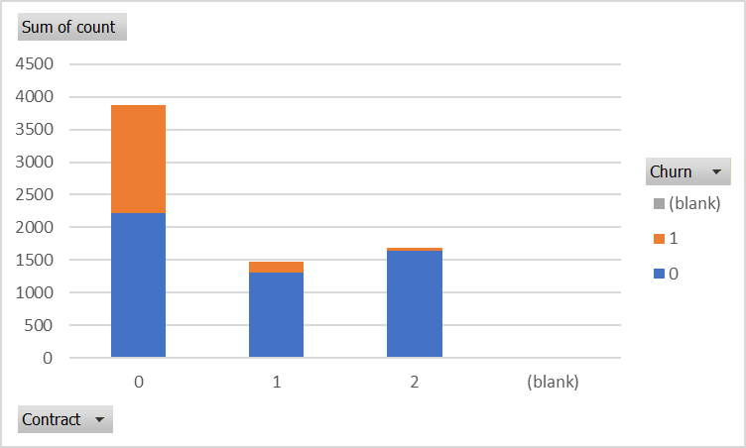

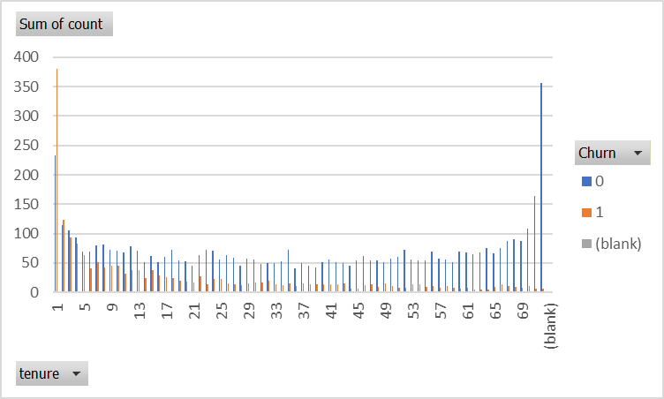
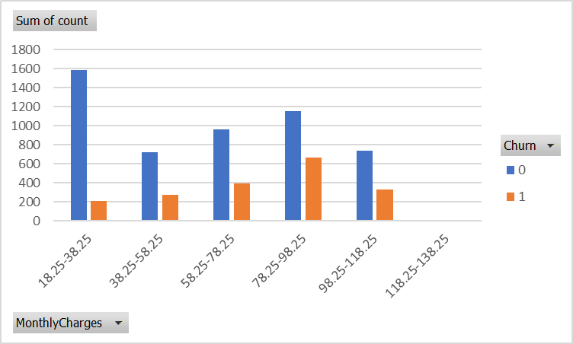

KEY INSIGHTS
Customers with month-to-month contracts show the highest churn compared to one-year and two-year contracts.
Customers with low tenure (0–12 months) are more likely to leave the service.
Customers with higher monthly charges have a higher probability of churn.
Customers with long-term contracts and higher tenure tend to stay with the service.
A significant portion of churn comes from new customers, indicating onboarding experience may need improvement.
Retention strategies should focus on high-risk groups such as new customers and short-term contract users.

